EDF Loan-CITY BANK
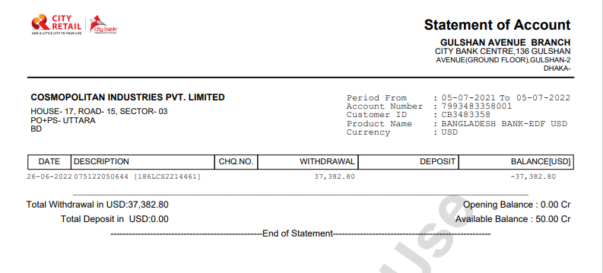

$37,382.80

